Sheet1
Line | Substance | AFR | LHV [kJ/kg] | Flowrate (F) [g/s] | AFR * Flow | LHV * Flow | Results | Total Fuel | Total Air | Stoich AFR | Mixture AFR | EQ Ratio | Power
1 | Air | 0 | 0 | 9 | 0 | 0 | Theory | 15.0000 | 9.0000 | 9.6627 | 0.6000 | 16.1044 | 0.3709
2 | Ethanol | 9 | 26.7 | 8 | 72 | 213.6 | 6.2a (Wires) | 15.0000 | 9.0000 | 9.6627 | 0.6000 | 16.1044 | 0.3709
3 | Butane | 14.98 | 45.75 | 3 | 44.94 | 137.25 | 6.2b (Formula Node) | 15.0000 | 9.0000 | 9.6627 | 0.6000 | 16.1044 | 0.3709
4 | Custom | 7 | 5 | 4 | 28 | 20
5 | Empty | 0 | 0 | 0 | 0 | 0

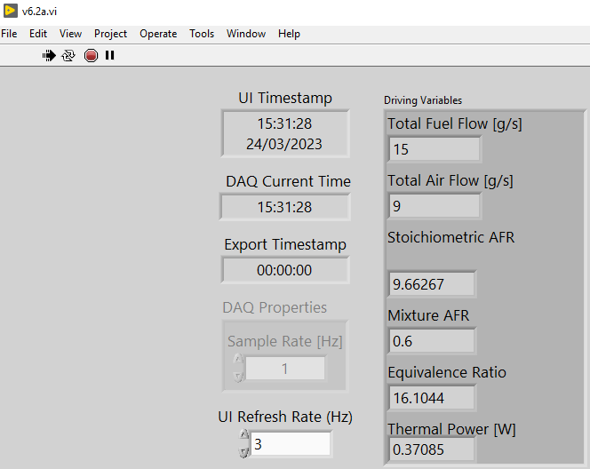
 |  |  |  |  | 144.94 | 370.85

Line | Substance | AFR | LHV [kJ/kg] | Flowrate (F) [g/s]
1 | Air | 0 | 0 | 9
2 | Ethanol | 9 | 26.7 | 8
3 | Butane | 14.98 | 45.75 | 3
4 | Custom | 7 | 5 | 4
5 | Empty | 0 | 0 | 0

